Sheet1
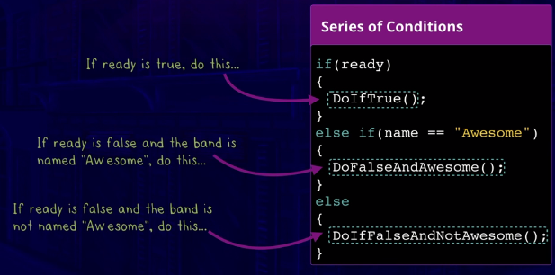
Try C#
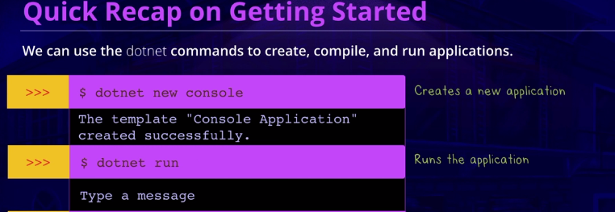

 |  |  | dotnet new console

 |  |  | dotnet run

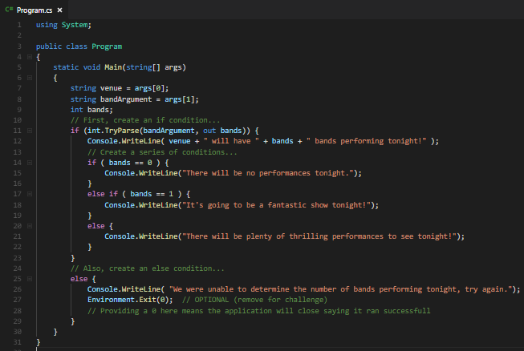
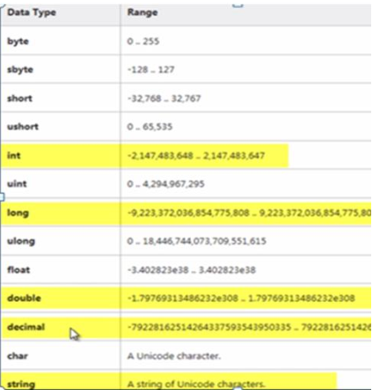
DATATYPES |  |  |  | CONDITIONALS
 |  |  |  | if condition
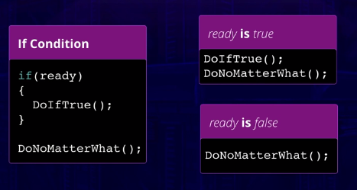

 |  |  |  |  | int.TryParse( inputString, out outputInt ) to try to parse, returns true or false

 |  |  |  | else condition
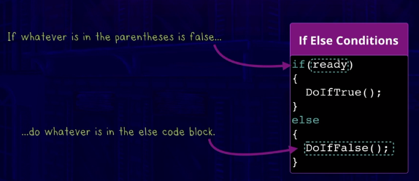

 |  | int.Parse() to convert from string to int
 |  | int.TryParse( inputString, out outputInt ) to try to parse, returns true or false
bool | true / false

 |  |  |  |  | Environment.Exit()
 |  |  |  | else if condition

